Register
Registration Page

First Name | : |  | 0 | Last Name | : | 0

Gender | :

State | : |  | 0 | City | : | 0

Email ID | : |  | 0
OTP | : |  | 0

Mobile No. | : |  | 0
OTP | : |  | 0

Password | : | 111111

Confirm Password | : | 111111 | 1

 |  | I agree to the Terms and Conditions.

Sign Up

OR

 | Continue with Gmail
 | Continue with Apple
 | Continue with facebook

 |  | Already Have An Account ?
Login

By logging in, you agree to CAR Rental app terms of service and privacy policy

Login
 | Login In

Email Id / Mobile Number

Password

 |  | Reset Password

Login In

Trip Details
welcome, Jane Smith
Logout

Search
Deals
FAQs

 | Book Your Drive Now

Get Car
Location | From Date | To Date

Pick Up Location |  |  | Drop Off Location

10,000 + Verified cars
7,000 + Trusted Host
1.5 Billion + KMs
30 +
Cities

Latest Customer Review
Rehansh | Banglore Overall Rating: ⭐⭐⭐⭐☆ (4/5) It’s easy to use, with clear trip details and flexible modification options. Perfect for hassle-free rentals!
Tiya | Hydrabad Overall Rating: ⭐⭐⭐⭐⭐ (5/5) This car rental app is excellent! It's user-friendly, provides comprehensive trip details, and offers flexible options for modifications. Highly recommended!

Services in India
Cars In Bangalore Cars In Ahmedabad Cars In Coimbatore Cars In Indore Cars In Jaipur Cars In Mangalore Cars In Mysore Cars In Vizag Cars In Goa Cars In Nagpur Cars In Pune Cars In Delhi Cars In Mumbai Cars In Chennai Cars In Hyderabad Cars In Chandigarh Cars In Kolkata
Privacy Terms & Conditions ©2024 Car Rental
Search for cheap hire cars with Car Rental and hire a car that suits you best. Our app searches hundreds of travel sites to help you find and book the best hire car deal.

Select Cars
S

 | Filters
 |  |  |  | Select Car
Maruti Suzuki 2023 Automatic | Petrol | 5 Seats
- 45 Trips Rate -
250/Hr
FastTag
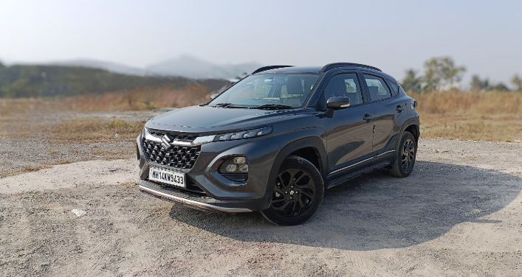
Renault Kiger 2024 Manual | Petrol | 5 Seats
- 95 Trips Rate -
180/Hr
FastTag
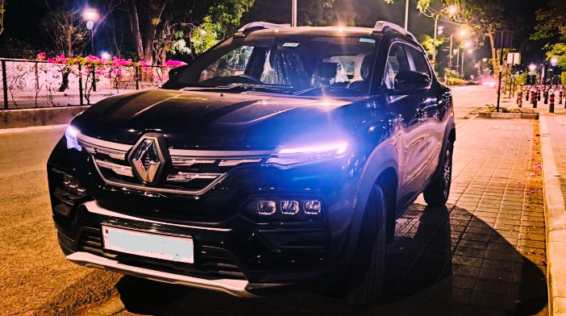
 | Transmission Type :
 |  | Manual | Automation

 | Seats :
 |  | 4/5 Seats | 6/7 seats

 | Car Type :
 |  | Hachback | Sedan
 |  | Luxury | SUV

 | Fuel Type :
 |  | Petrol | Desel
 |  | Electric

 | Delivery Type:
 |  | Home delivery | Reach to Location
Proceed

POC & Pax details
S

 | Redirect To
 |  | POC & Pax details
Driver Details
Name: John Doe Phone: 123-456-7890
License: XXXXXXXXX Exp: 01/01/2026
Vehicle: ABC123 Insurance: XYZ789
Emergency Contact: 987-654-3210
Years of Experience: 7+ Rides: 1000+
-----------------------------------------------------------------------------------------------------------------------------------
Passenger Details
Name: Jane Smith
Car Selected: Renault Kiger
Trip Details:
From: [Pickup Location] --------- To: [Destination]
Special Requests: None
Home

Trip Details

Select Car

POC & Pax details

Proceed

Preview trip details
Redirect To
 | Preview trip details
Vehical Details
Car Name: Renault Kiger 2024 Car No: MH-XX-00-1234
Other Details: Manual | Petrol | 5 Seater
-----------------------------------------------------------------------------------------------------------------------------------------------
Driver Details
Name: John Doe Phone: 123-456-7890
License: XXXXXXXXX Exp: 01/01/2026
Vehicle: ABC123 Insurance: XYZ789
Emergency Contact: 987-654-3210
Years of Experience: 7+ Rides: 1000+
-----------------------------------------------------------------------------------------------------------------------------------------------
Passenger Details
Name: Jane Smith Car Selected: Renault Kiger
Trip Details:
From: [Pickup Location] --------- To: [Destination]
Total Fare: ₹ 21,600/-
Special Requests: None
Home

Trip Details

Select Car

POC & Pax details

Preview trip details

Back to Edit
Proceed To Pay

Payment
S

 | Redirect To
 |  | Payment Details
Payment Method:
Credit Card
Debit Card
UPI
QR Code
Select Any Option
Credit Card Details
Card Number: _______ _______ _______ _______
Expiration Date: __ /__
CVV: ___
Home

Trip Details

Select Car

POC & Pax details

Payment

Make Payment

Confirmation
S

 | Redirect To
 |  | Payment Confirmation
Your Payment Was Sucessful!
Thank you for your payment. We will be in contact with more deatils shortly
RS . 21,660/-
Transaction ID - 12345678933
Home

Trip Details

Select Car

POC & Pax details

Payment

Go To Home

